001
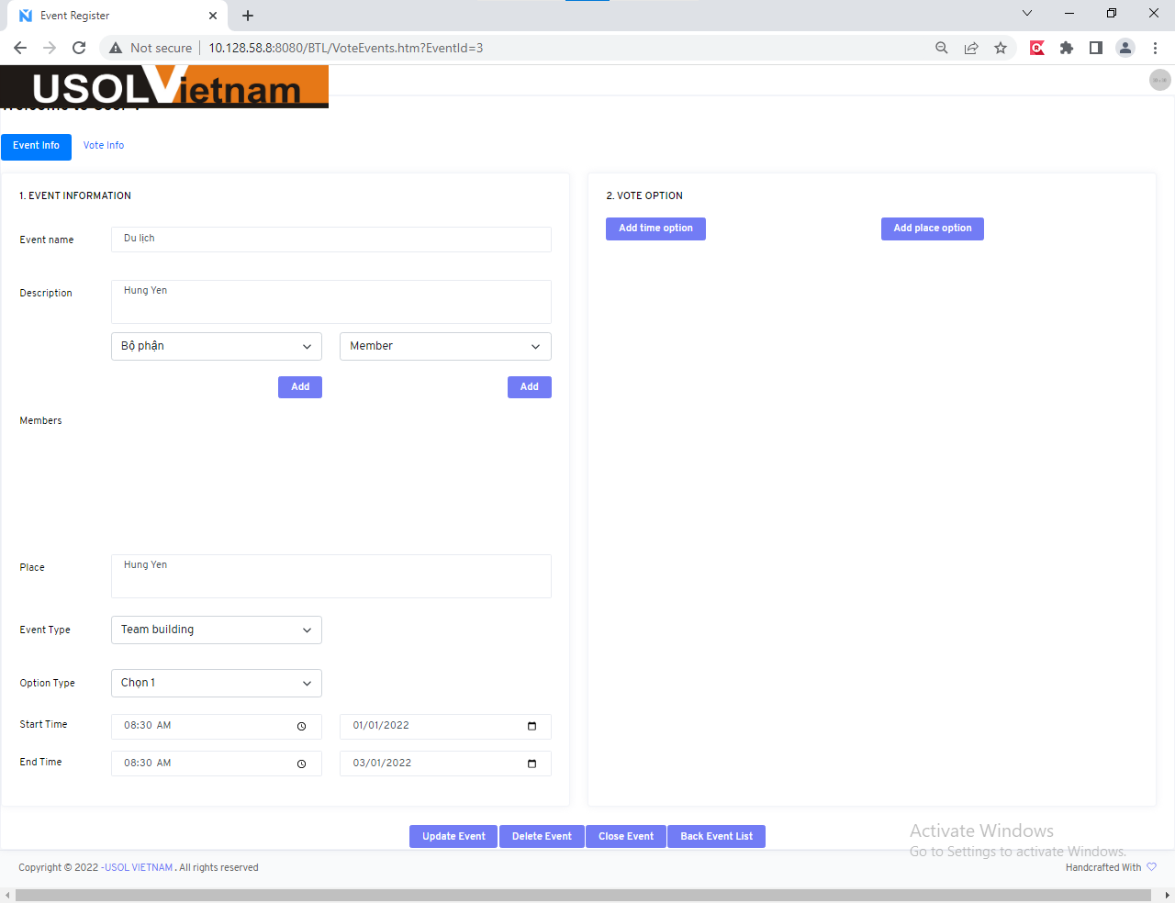

002
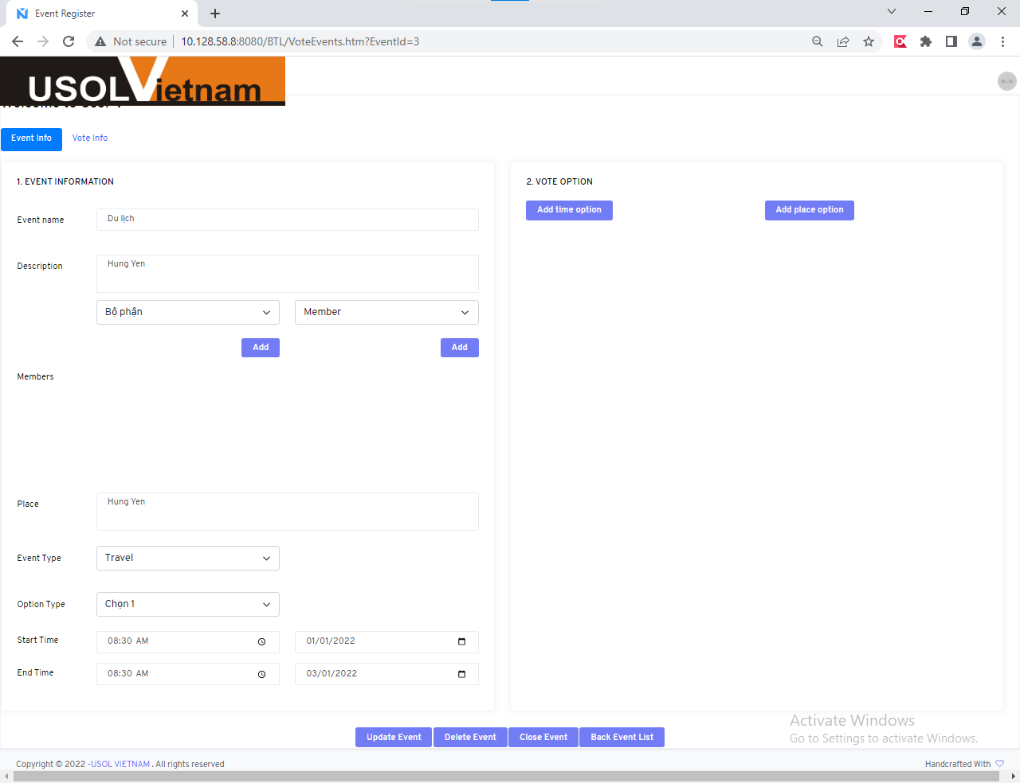

003
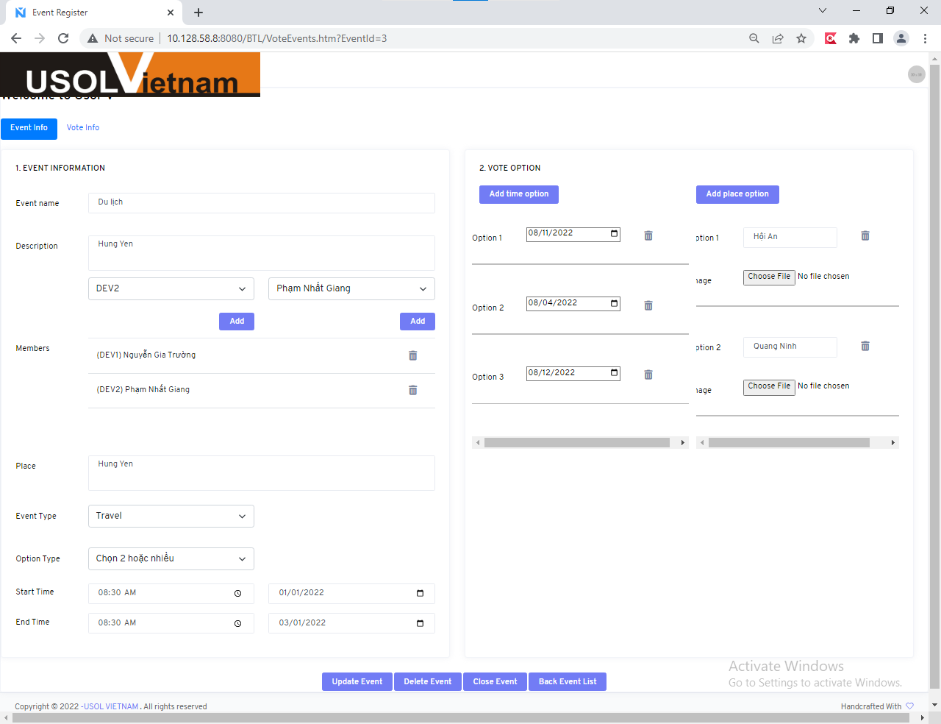

004
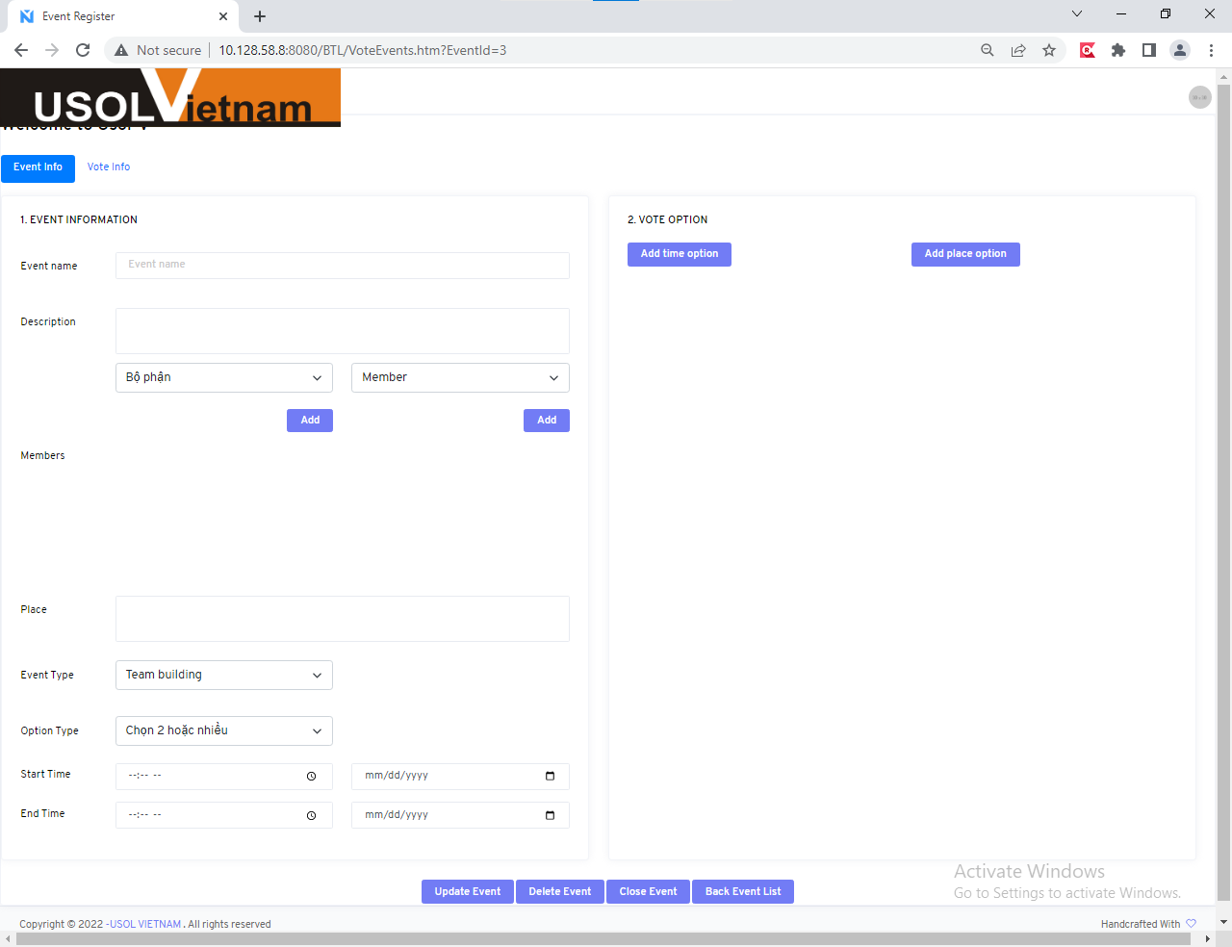

005
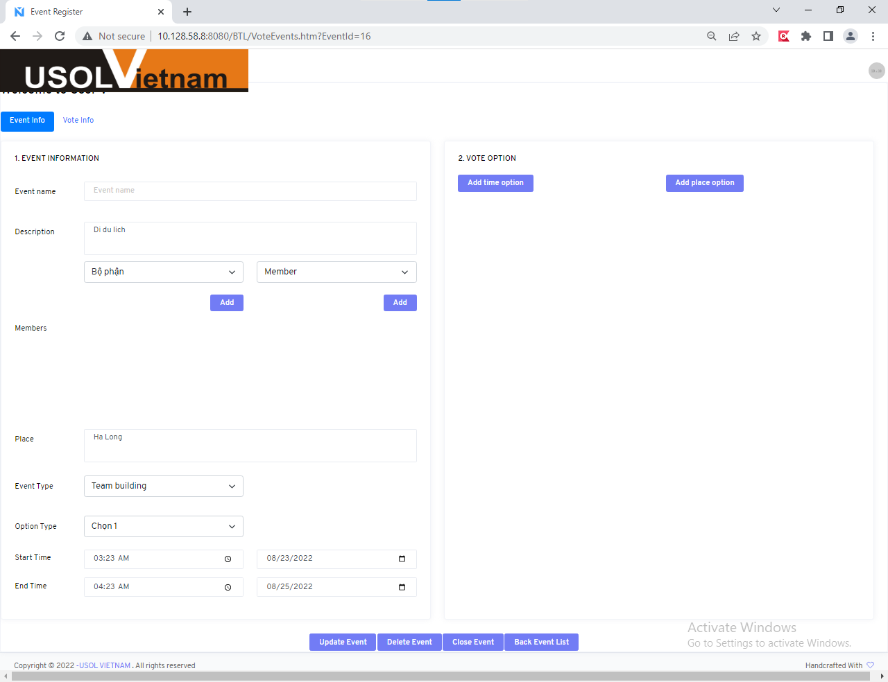

006
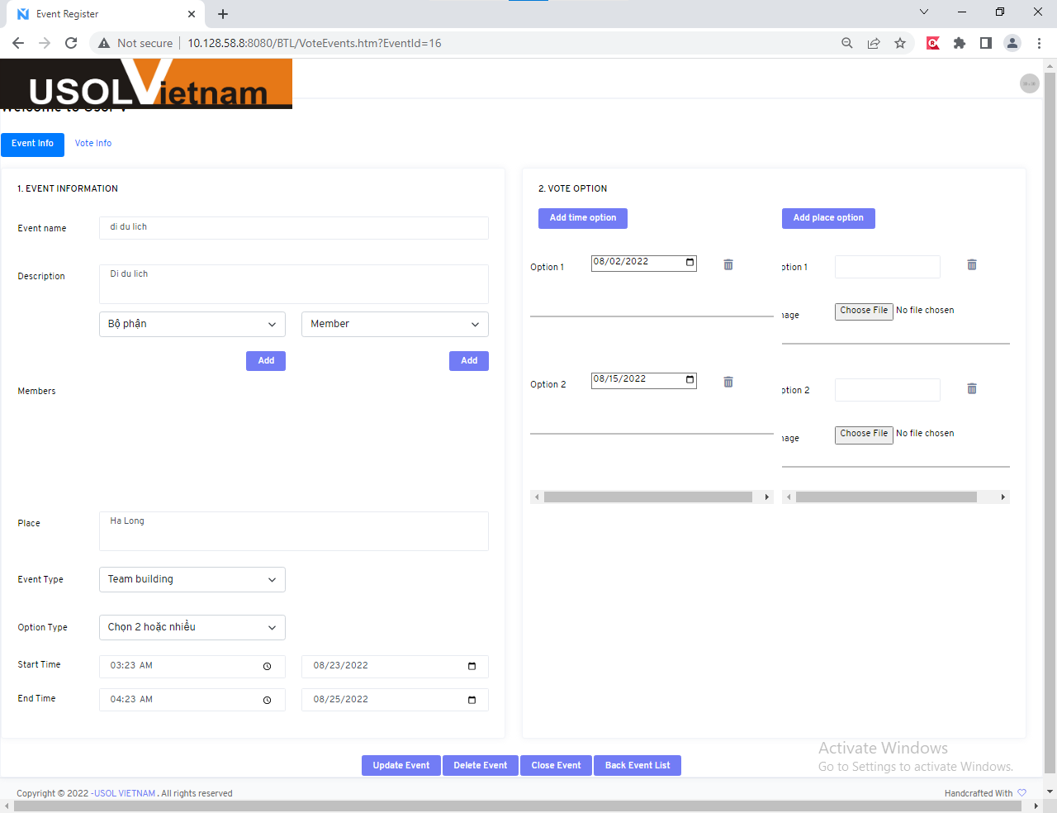

009
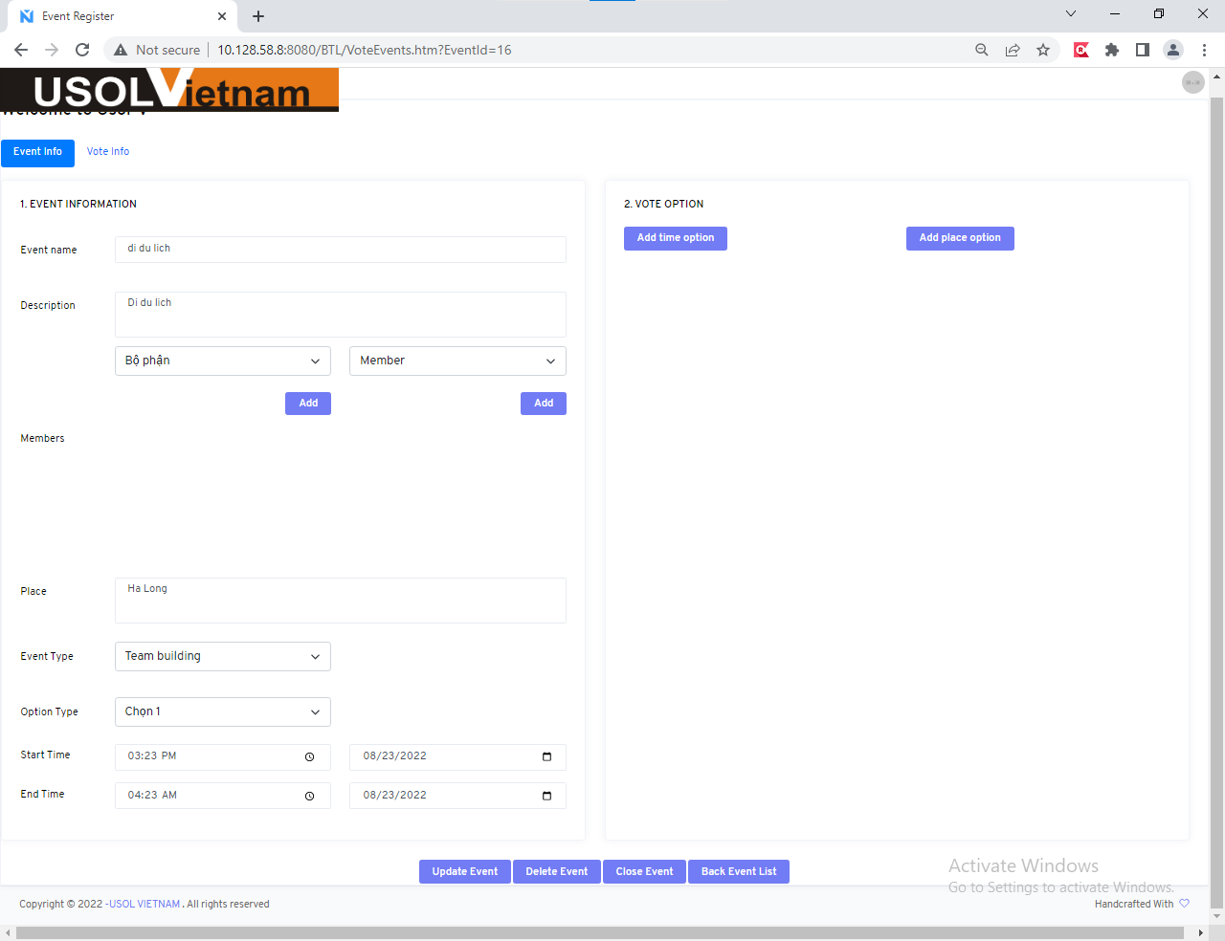

010
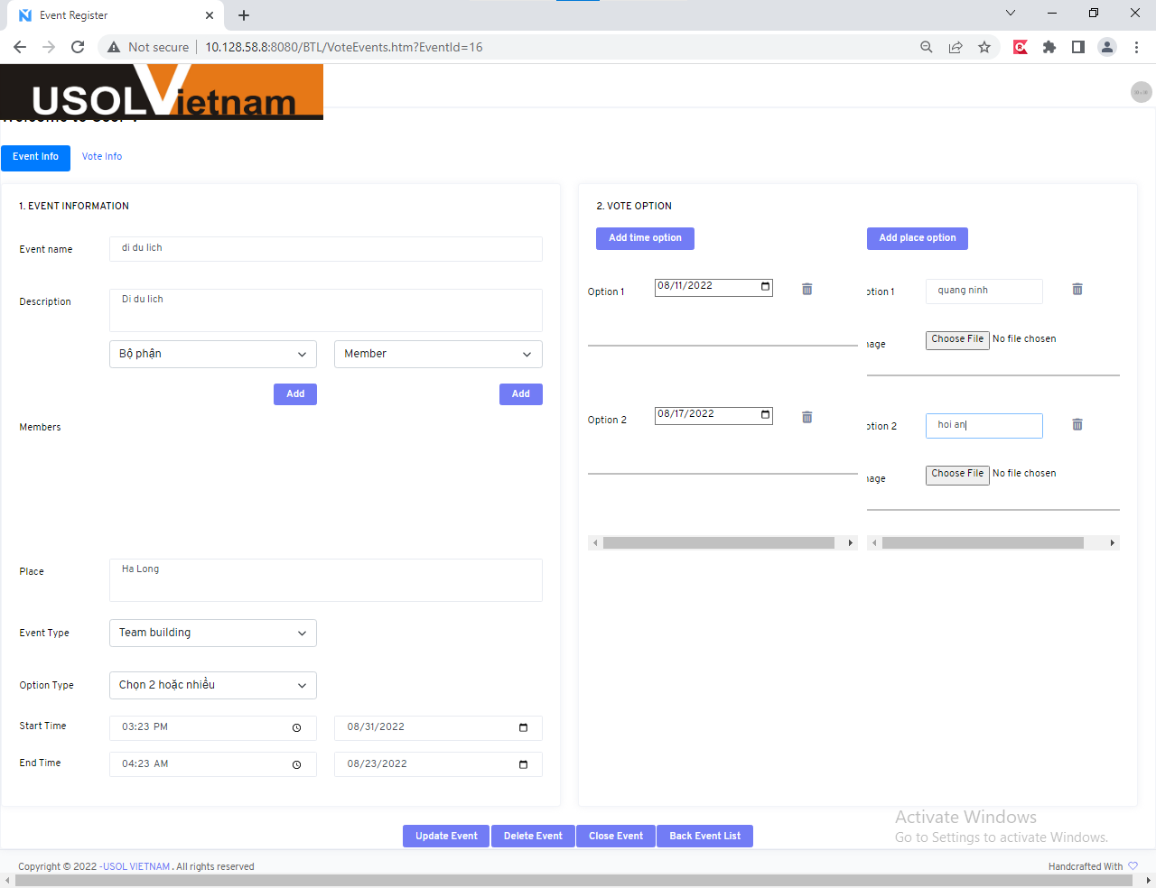

011


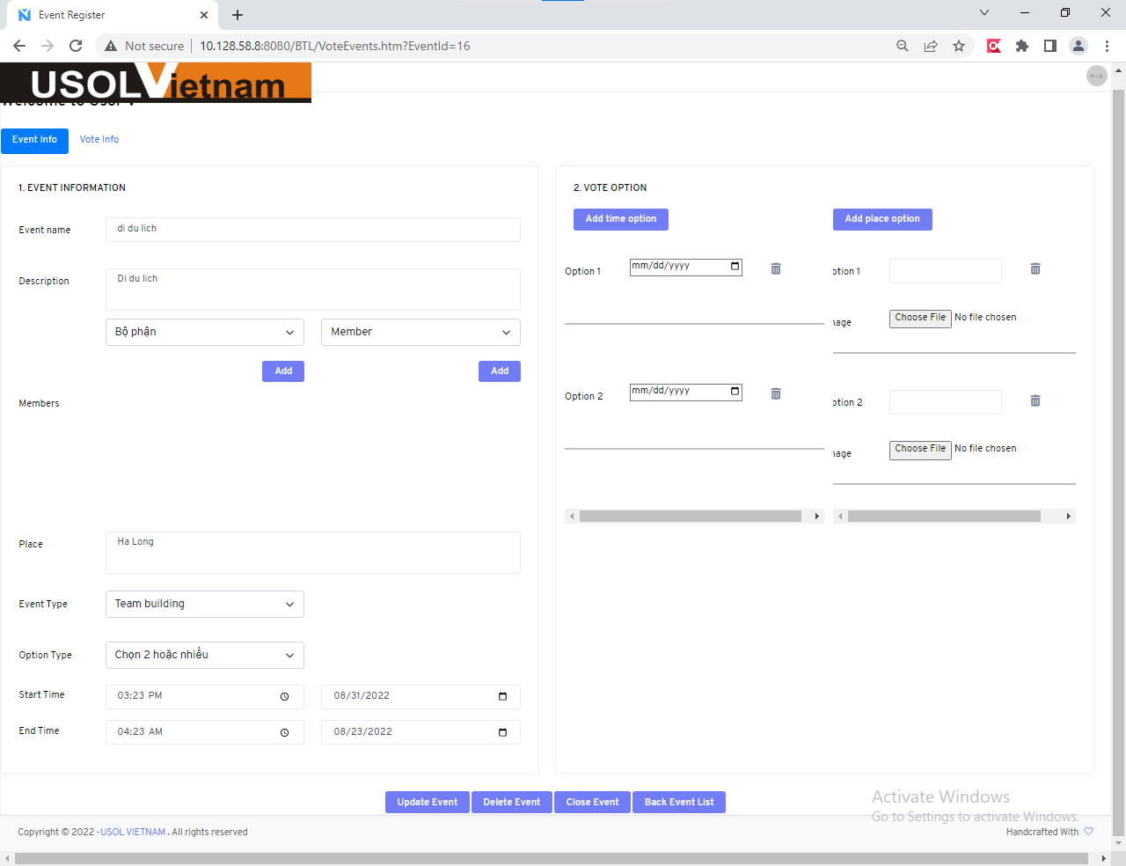

icon delete
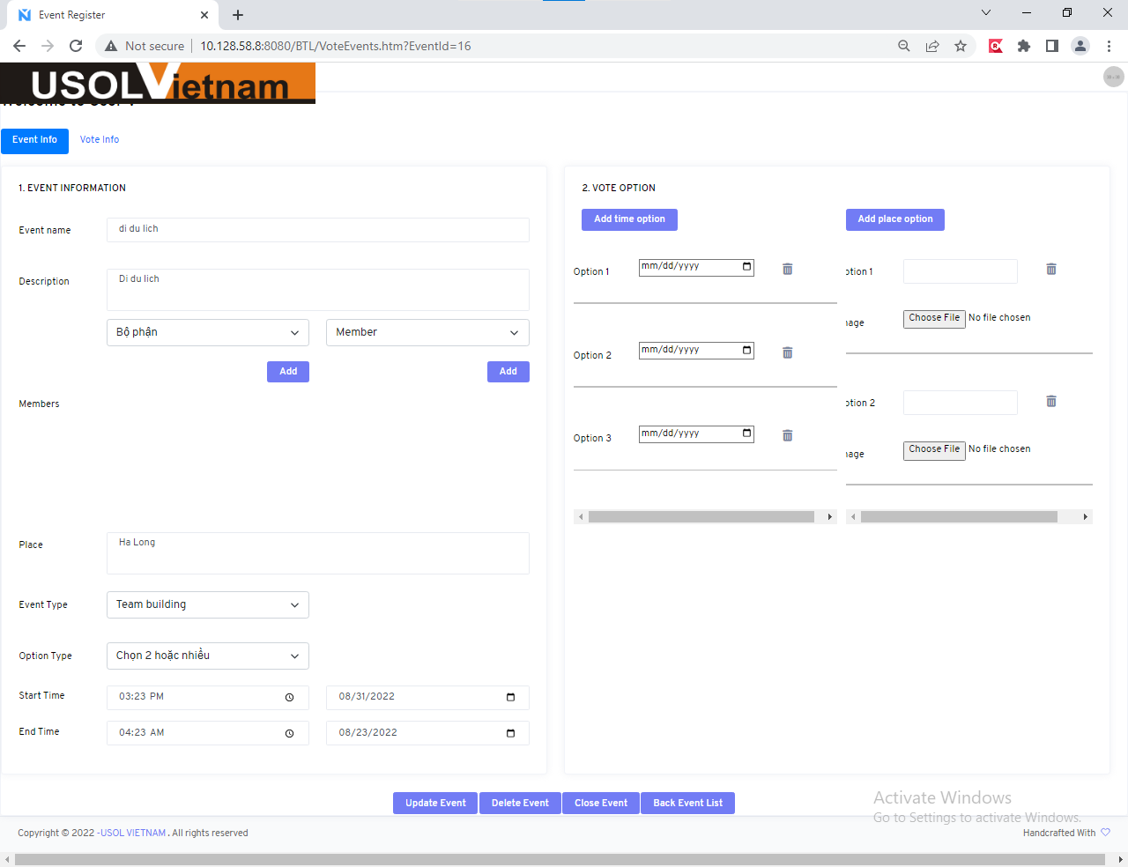

019
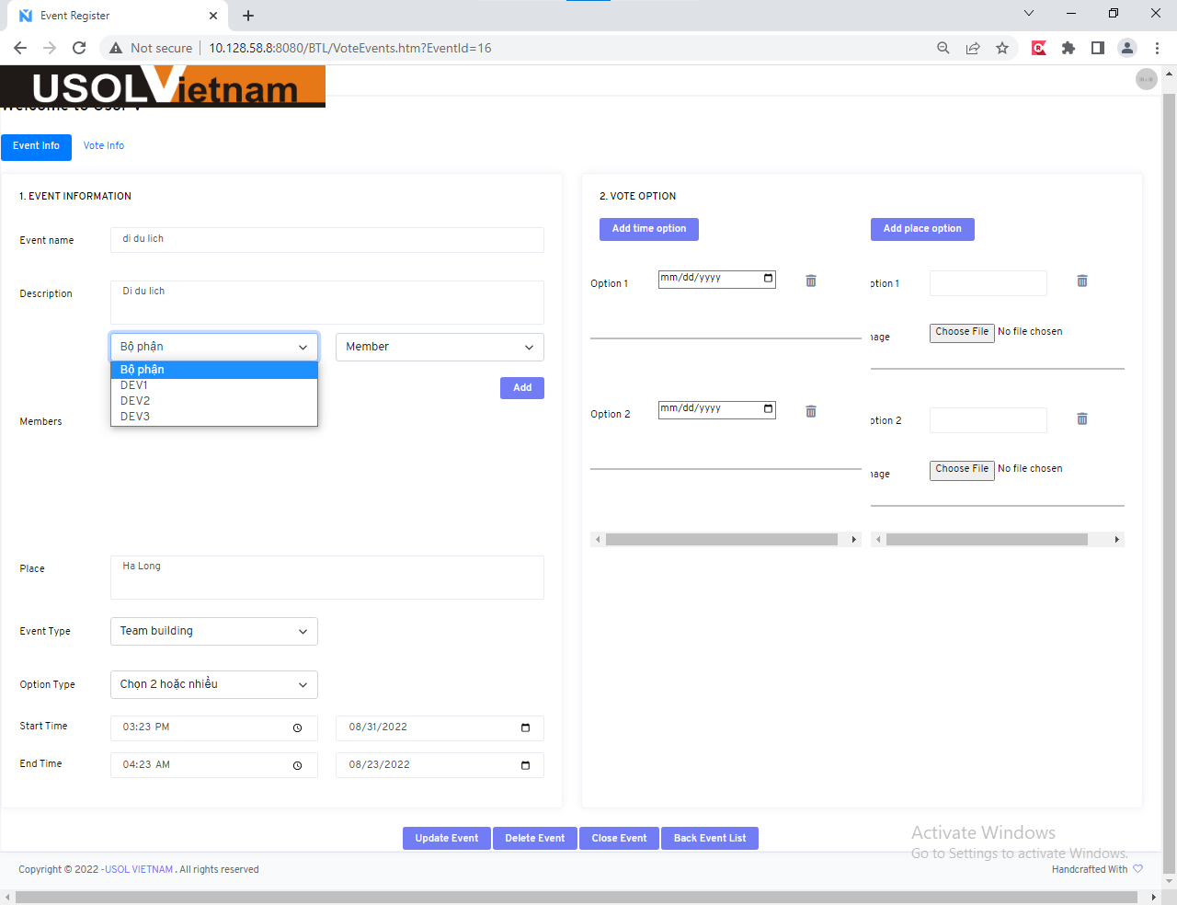
ID | UserName | Password | FullName | departmentld | departName | Email | isDeleted | timeStamp
1 | Truong | 123 | Nguyễn Gia Trường | 1 | Dev1 | truong123@gmail.com | 0 | 0x00000000000007D4
2 | Giangitd | 345 | Phạm Nhất Giang | 2 | Dev2 | giang123@gmail.com | 0 | 0x00000000000007D5
3 | Tungitd | 456 | Nguyễn Hữu Tùng | 3 | Dev3 | tung123@gmail.com | 0 | 0x00000000000007D6
4 | anh | 123 | Nguyễn Thị Tú Anh | 1 | Dev1 | anh123@gmail.com | 0 | 0x00000000000007D7

021
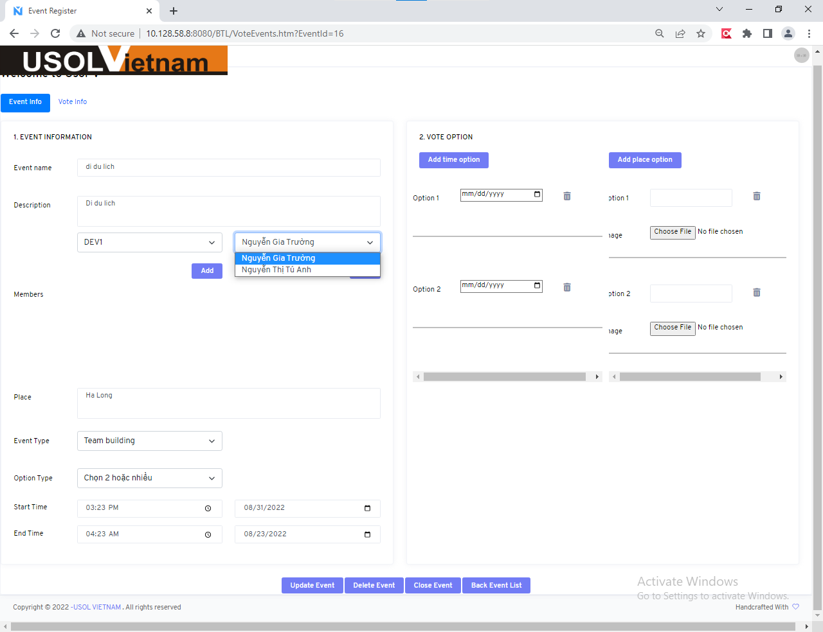
ID | UserName | Password | FullName | departmentld | departName | Email | isDeleted | timeStamp
1 | Truong | 123 | Nguyễn Gia Trường | 1 | Dev1 | truong123@gmail.com | 0 | 0x00000000000007D4
2 | Giangitd | 345 | Phạm Nhất Giang | 2 | Dev2 | giang123@gmail.com | 0 | 0x00000000000007D5
3 | Tungitd | 456 | Nguyễn Hữu Tùng | 3 | Dev3 | tung123@gmail.com | 0 | 0x00000000000007D6
4 | anh | 123 | Nguyễn Thị Tú Anh | 1 | Dev1 | anh123@gmail.com | 0 | 0x00000000000007D7

029
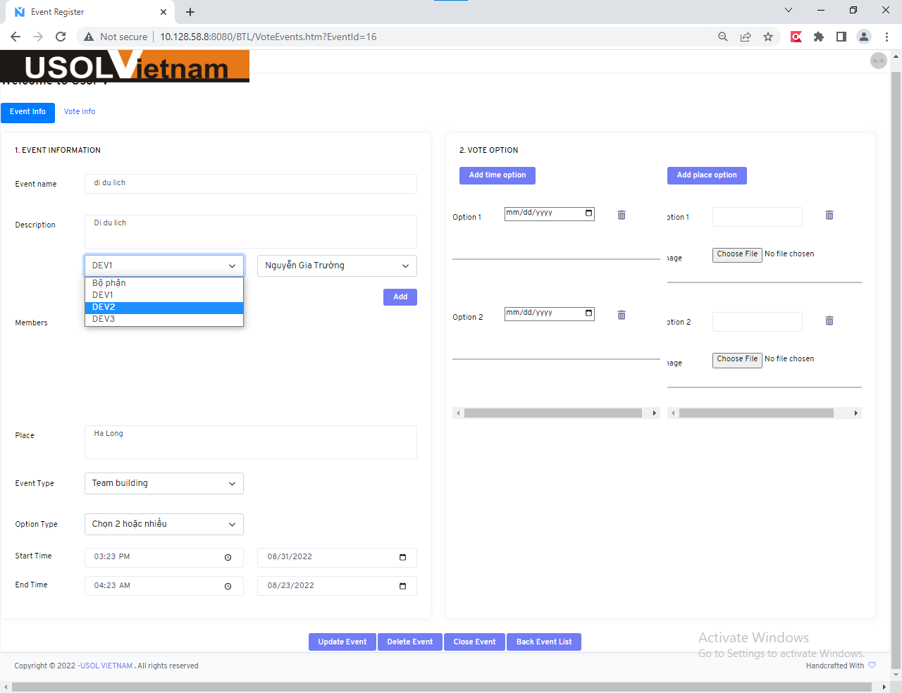

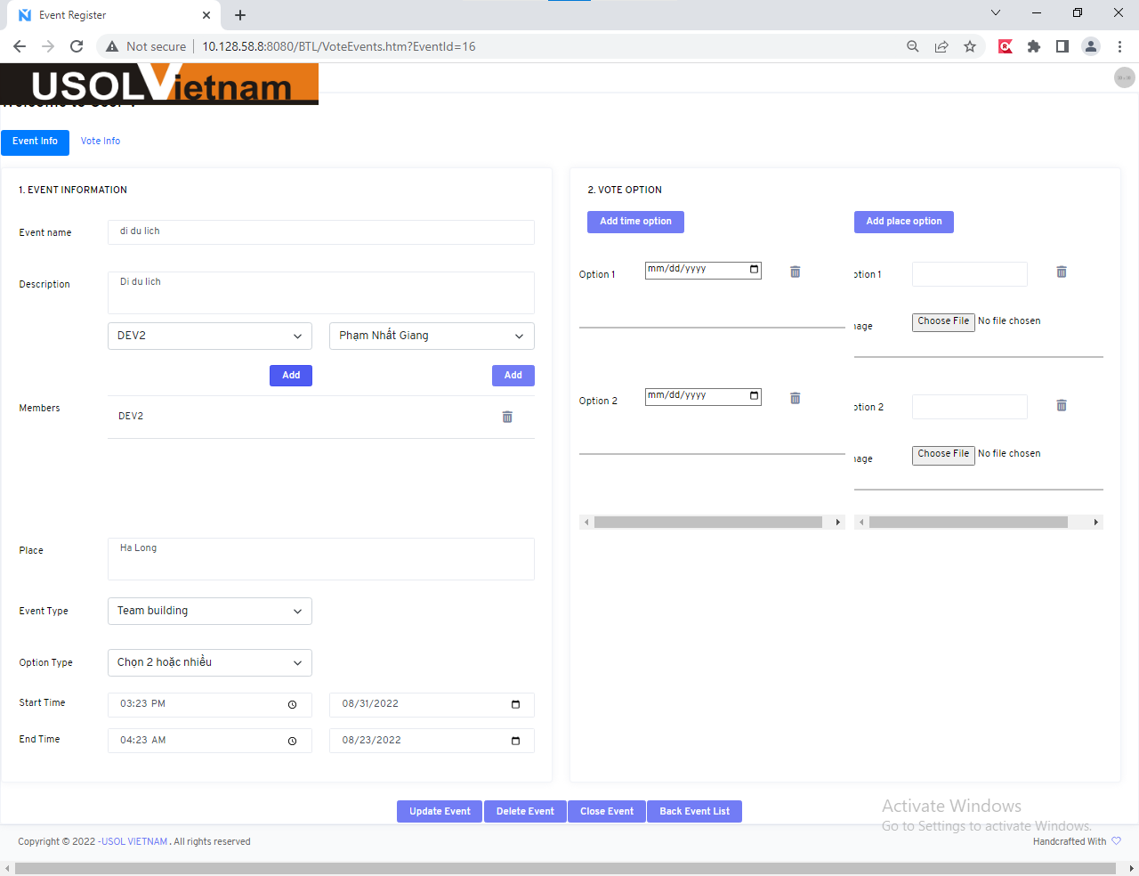

031


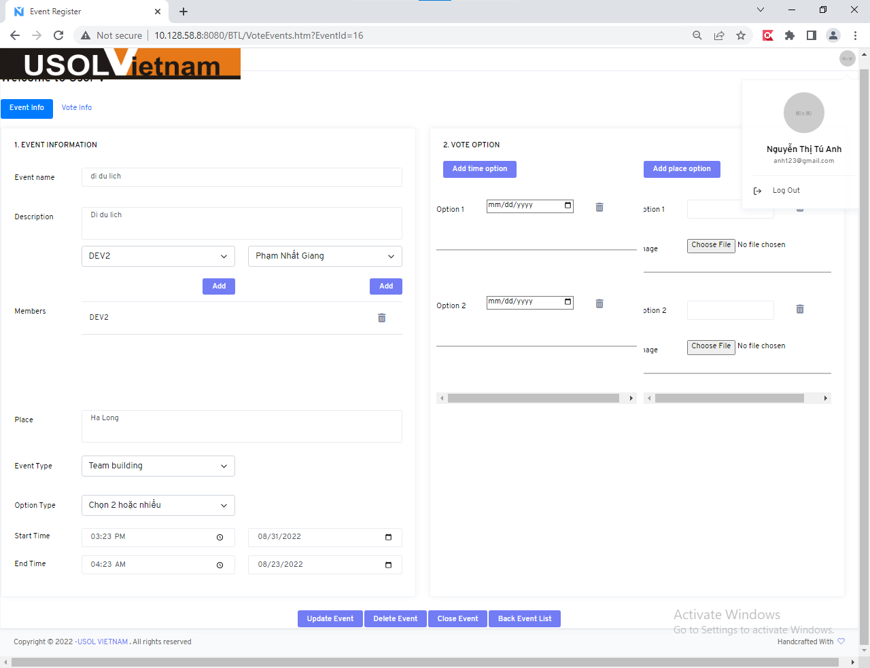

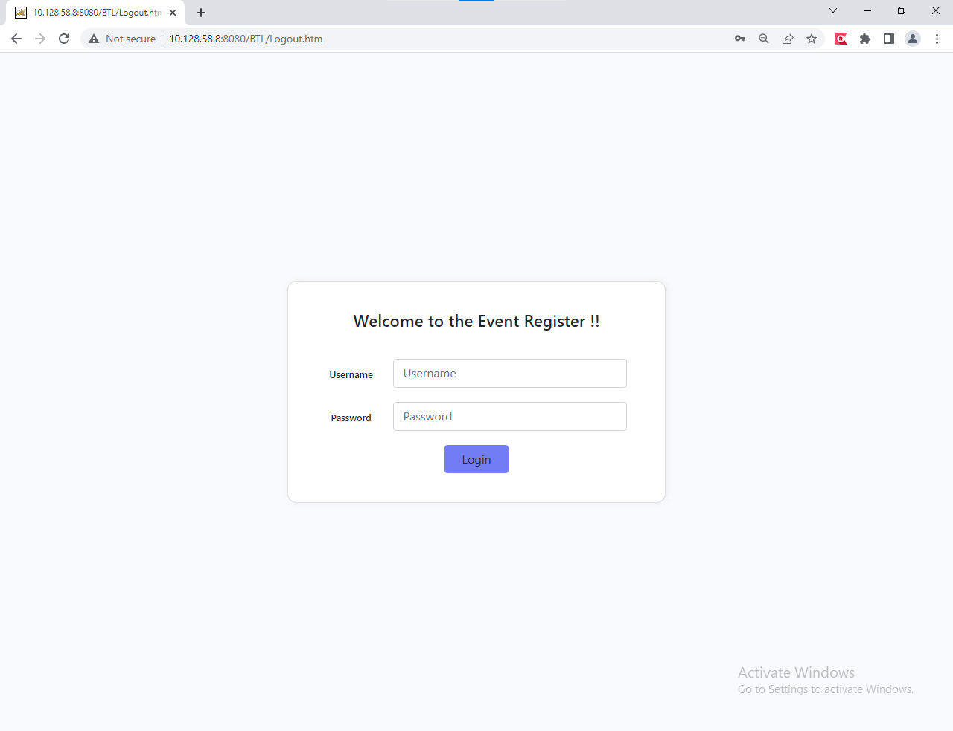

Delete Event_33_35
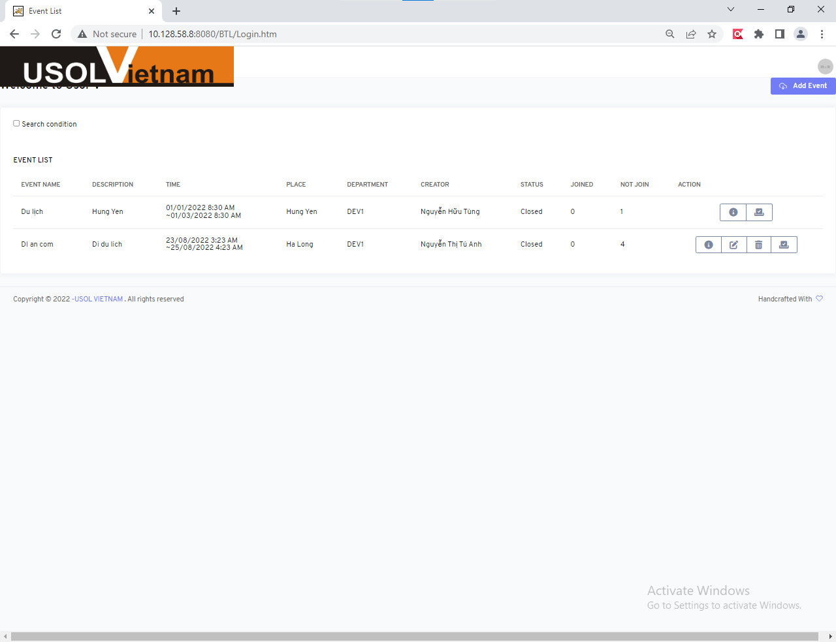



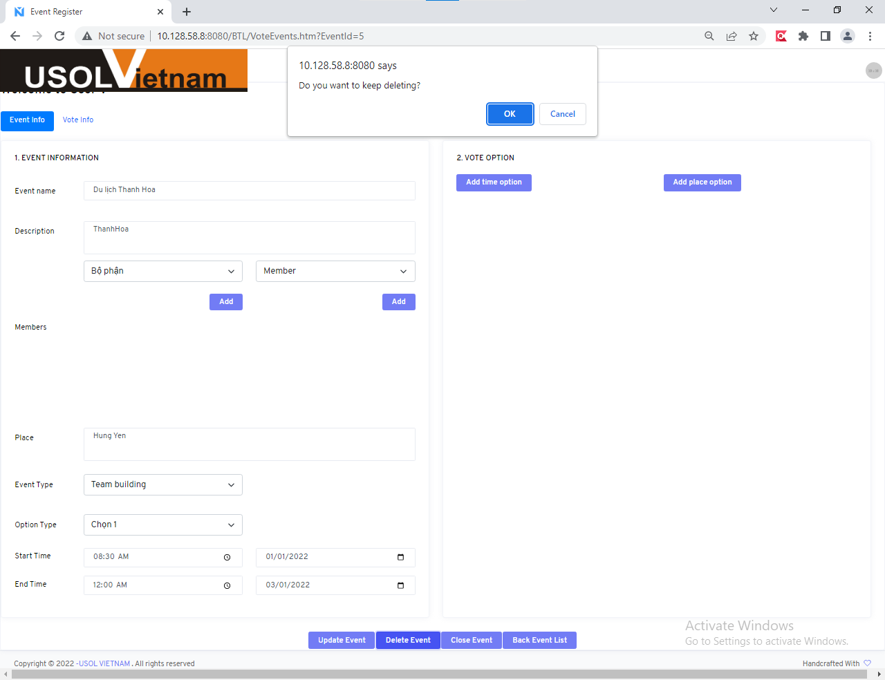

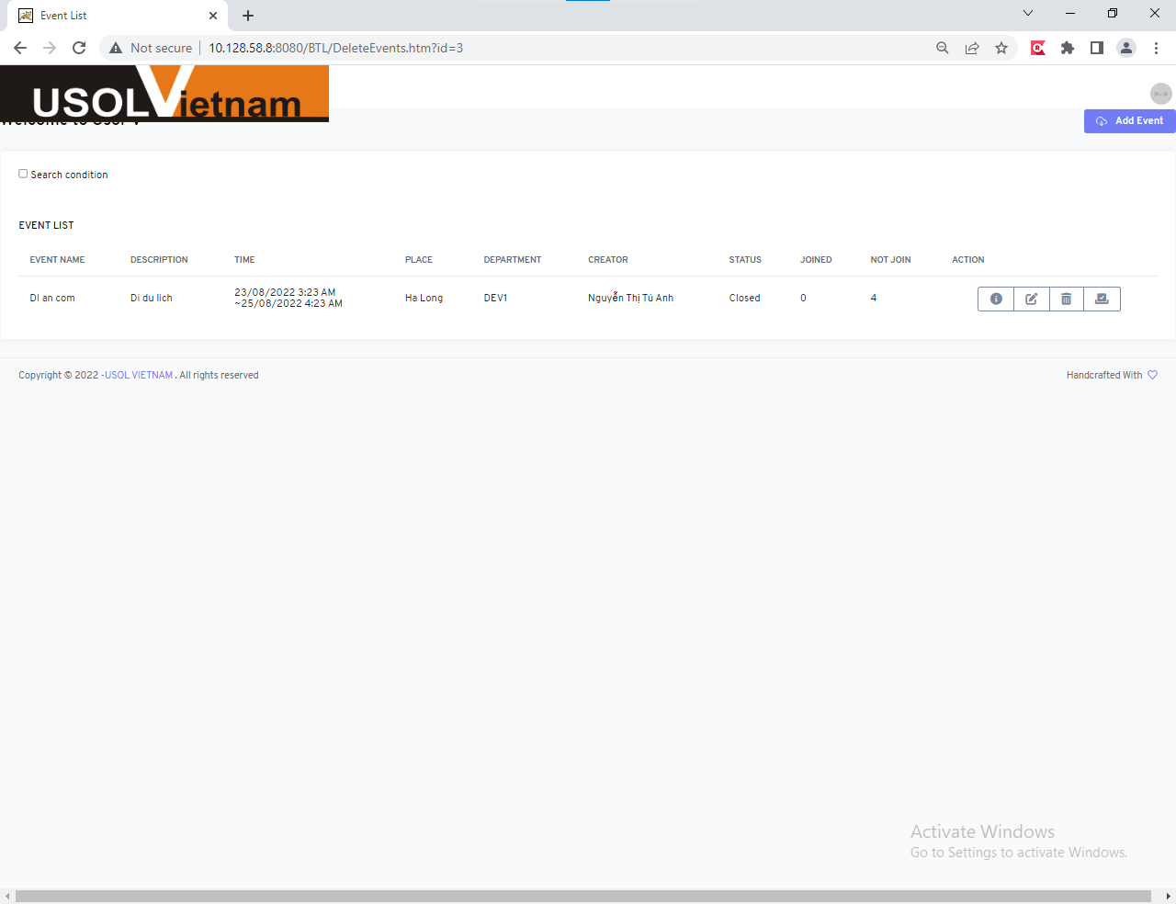

Delete Event_37
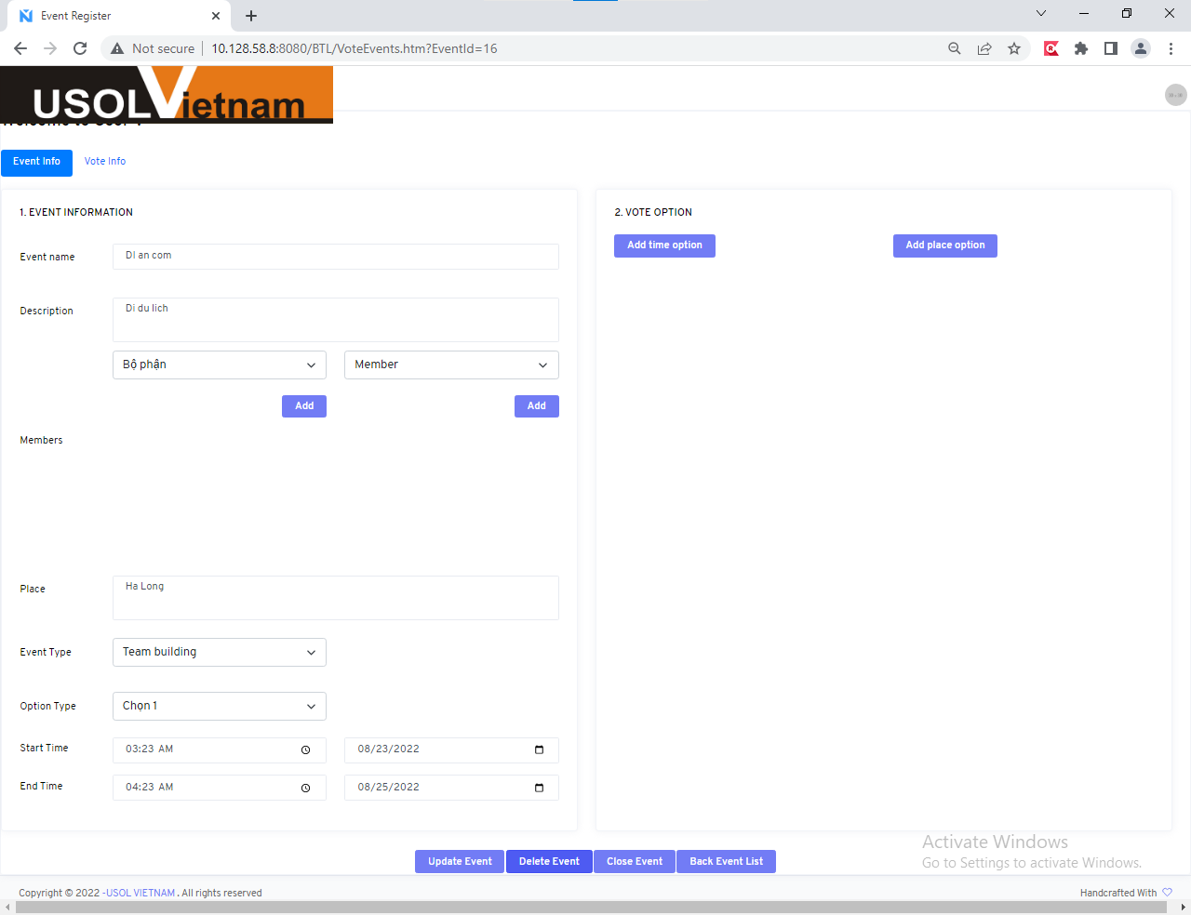

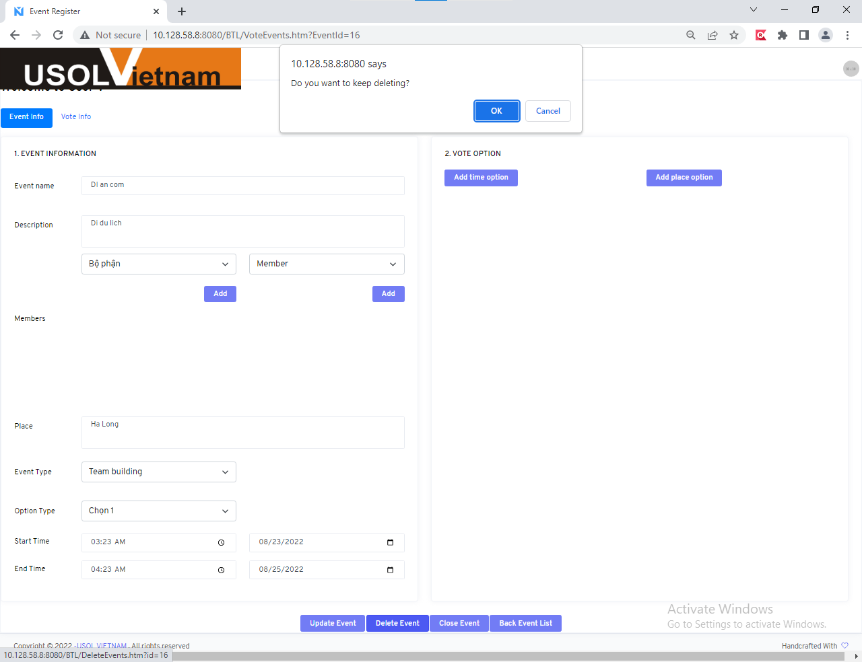



Close Event
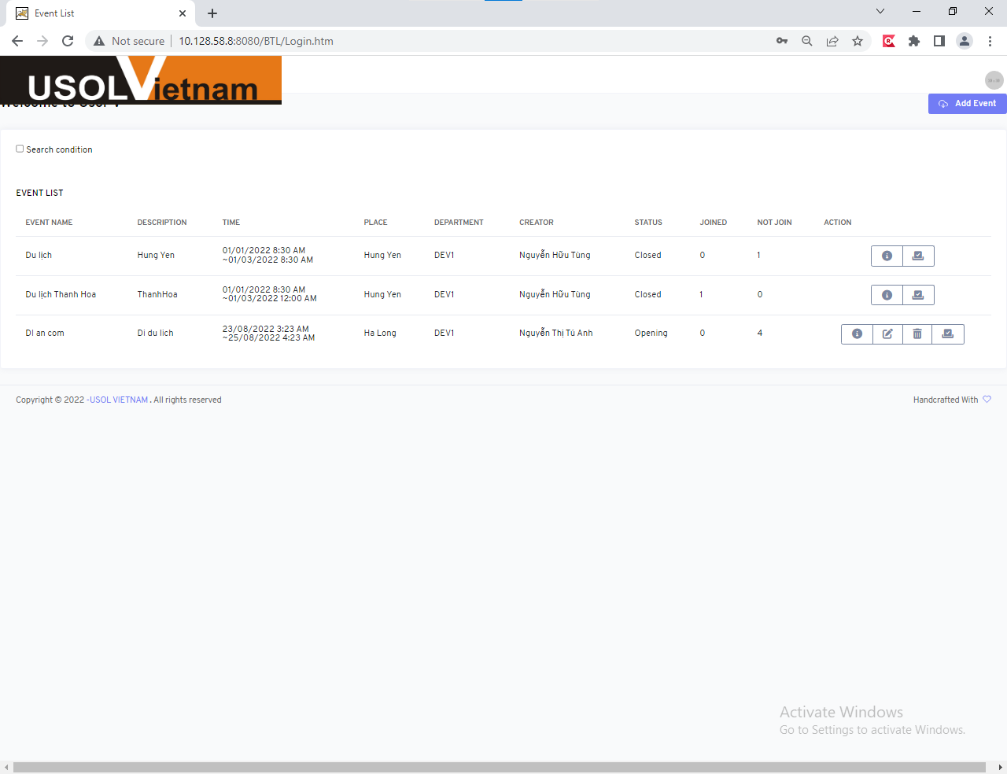





Back Event List


